Sheet1
Assignment - 2

Histogram
 |  |  |  |  |  |  |  | Measure of central tendency

1 . Business Problem: A retail store wants to analyze the sales data of a particularproduct category to understand the typical sales performance and make strategicdecisions.

Data: Let's consider the weekly sales data (in units) for the past month for a specific productcategory:

 | DATA: | UNITS
 | Week 1 | 50 | UNITS |  | MEAN | 58.75
 | Week 2 | 60 | UNITS |  | MEDIAN | 57.5
 | Week 3 | 55 | UNITS |  | MODE | #N/A
Histogram
 | Week 4 | 70 | UNITS

2. Business Problem: A restaurant wants to analyze the waiting times of itscustomers to understand the typical waiting experience and improve serviceefficiency.

Data: Let's consider the waiting times (in minutes) for the past 20 customers:

 | 15 | 10 | 10 | 15 |  |  | MEAN | 17
 | 10 | 20 | 25 | 10 |  |  | MEDIAN | 15
 | 20 | 30 | 15 | 10 |  |  | MODE | 10
 | 25 | 15 | 20 | 20
 | 15 | 10 | 20 | 25

3. Business Problem: A car rental company wants to analyze the rental durations ofits customers to understand the typical rental period and optimize its pricing andfleet management strategies.

Data: Let's consider the rental durations (in days) for a sample of 50 customers:

 | 3 | 2 | 4 | 4 | 6 | 2 | 7 | 1 | 5 | 6 |  |  | MEAN | 3.44
 | 2 | 3 | 2 | 2 | 3 | 4 | 2 | 6 | 3 | 3 |  |  | MEDIAN | 3
 | 5 | 3 | 3 | 1 | 2 | 5 | 3 | 2 | 2 | 2 |  |  | M0DE | 2
 | 4 | 1 | 5 | 3 | 1 | 3 | 4 | 4 | 4 | 4
 | 7 | 6 | 2 | 5 | 4 | 2 | 5 | 3 | 2 | 5

 |  |  |  |  |  |  | Measure of diesprsion
 |  |  |  |  |  |  |  | QUE -1

1. Problem: A manufacturing company wants to analyze the production output of aspecific machine to understand the variability or spread in its performance.

Data:Let's consider the number of units produced per hour by the machine for a sample of 10 working days:

 | Day 1 | 120 | units
 | Day 2 | 110 | units |  | max | 140
 | Day 3 | 130 | units |  | min | 105
 | Day 4 | 115 | units
 | Day 5 | 125 | units
 | Day 6 | 105 | units |  | RANGE | 35
 | Day 7 | 135 | units |  | VARIANCE | 123.33333333
 | Day 8 | 115 | units |  | Standard Deviation | 11.105554166
 | Day 9 | 125 | units
 | Day 10 | 140 | units

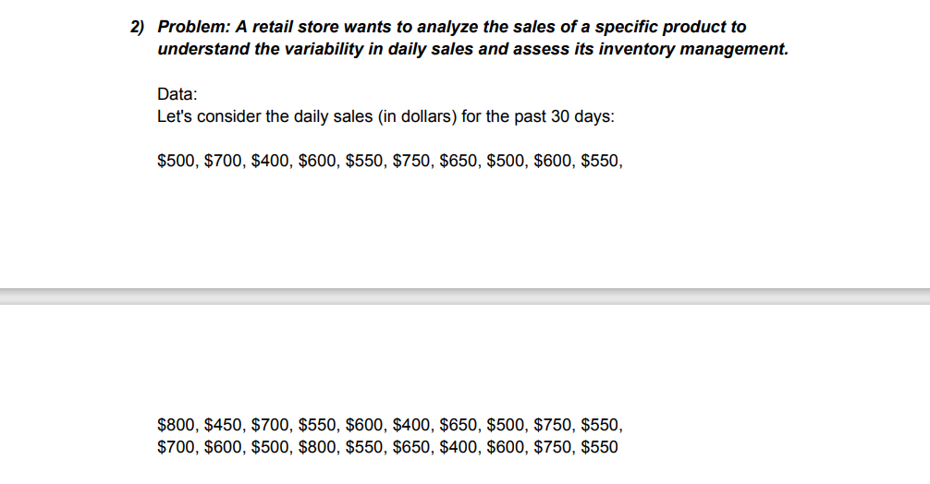
 |  |  |  |  |  |  |  |  | QUE-2

 |  |  |  |  |  |  |  | DAILY SALES (DOLLARS)
 |  |  |  |  |  |  |  |  |  |  |  |  | MAX | 800
 |  |  |  |  |  |  |  | 500 | 800 | 700 |  |  | MIN | 400
 |  |  |  |  |  |  |  | 700 | 450 | 600
 |  |  |  |  |  |  |  | 400 | 700 | 500
 |  |  |  |  |  |  |  | 600 | 550 | 800 |  |  | RANGE | 400
 |  |  |  |  |  |  |  | 550 | 600 | 550 |  |  | VARIANCE | 12841.954023
 |  |  |  |  |  |  |  | 750 | 400 | 650 |  |  | STANDARD DEVIATION | 113.32234565
 |  |  |  |  |  |  |  | 650 | 650 | 400
 |  |  |  |  |  |  |  | 600 | 500 | 600
 |  |  |  |  |  |  |  | 600 | 750 | 750
 |  |  |  |  |  |  |  | 550 | 550 | 550

 |  |  |  |  |  |  |  |  | QUE-3
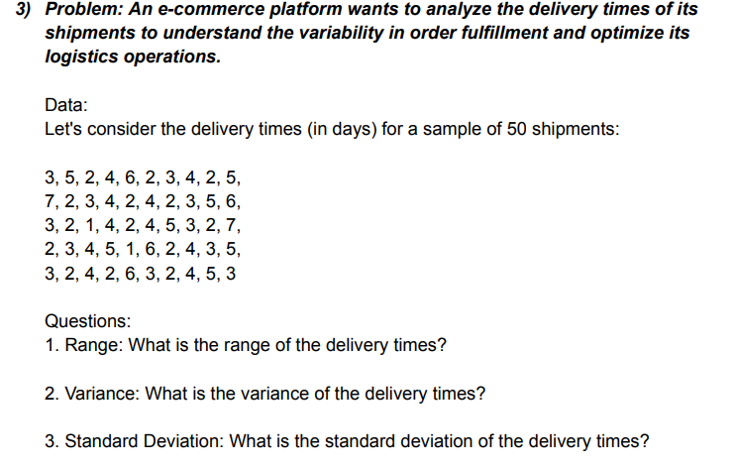
 |  |  |  |  |  |  |  | DELIVERY TIME (DAYS)

 |  |  |  |  |  |  |  | 3 | 7 | 3 | 2 | 3 | MAX | 7
 |  |  |  |  |  |  |  | 5 | 2 | 2 | 3 | 2 | MIN | 1
 |  |  |  |  |  |  |  | 2 | 3 | 1 | 4 | 4
 |  |  |  |  |  |  |  | 4 | 4 | 4 | 5 | 2
 |  |  |  |  |  |  |  | 6 | 2 | 2 | 1 | 6 | RANGE | 6
 |  |  |  |  |  |  |  | 2 | 4 | 4 | 6 | 3 | VARIANCE | 2.3363265306
 |  |  |  |  |  |  |  | 3 | 2 | 5 | 2 | 2 | STANDARD DEVIATION | 1.5285046714
 |  |  |  |  |  |  |  | 4 | 3 | 3 | 4 | 4
 |  |  |  |  |  |  |  | 2 | 5 | 2 | 3 | 5
 |  |  |  |  |  |  |  | 5 | 6 | 7 | 5 | 3

 |  |  |  |  |  |  |  |  | QUE -4
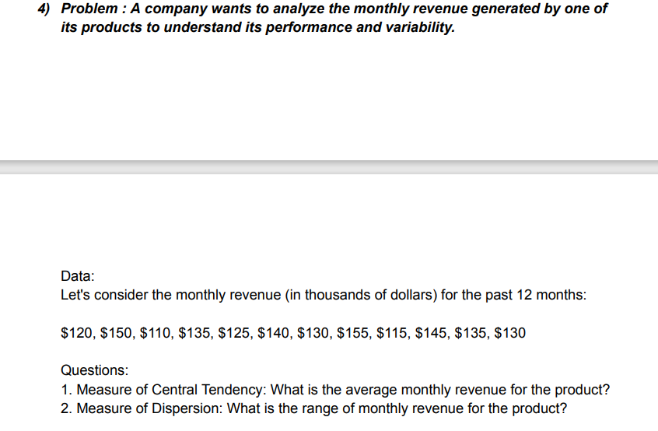

 |  |  |  |  |  |  |  |  | MONTHLY REVENUE
 |  |  |  |  |  |  |  |  | (DOLLARS)
 |  |  |  |  |  |  |  |  | 120 |  |  |  | MAX | 155
 |  |  |  |  |  |  |  |  | 150 |  |  |  | MIN | 110
 |  |  |  |  |  |  |  |  | 110
 |  |  |  |  |  |  |  |  | 135
 |  |  |  |  |  |  |  |  | 125
 |  |  |  |  |  |  |  |  | 140 |  |  |  | MEAN(AVERAGE) | 132.5
 |  |  |  |  |  |  |  |  | 130 |  |  |  | RANGE | 45
 |  |  |  |  |  |  |  |  | 155
 |  |  |  |  |  |  |  |  | 115
 |  |  |  |  |  |  |  |  | 145
 |  |  |  |  |  |  |  |  | 135
 |  |  |  |  |  |  |  |  | 130

 |  |  |  |  |  |  |  |  | QUE -5
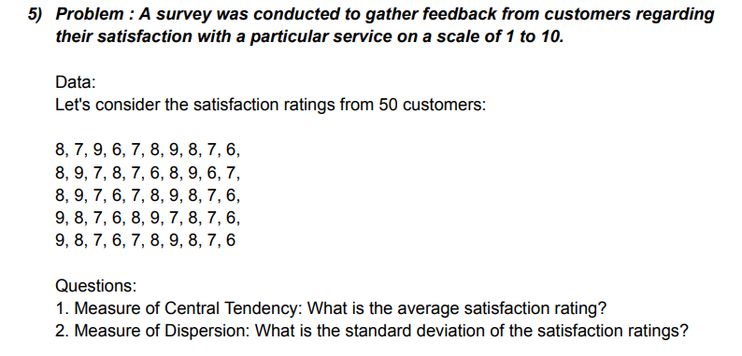
 |  |  |  |  |  |  |  | RATING CUSTOMERS

Histogram
 |  |  |  |  |  |  |  | 8 | 8 | 8 | 9 | 9
 |  |  |  |  |  |  |  | 7 | 9 | 9 | 8 | 8 | Mean(average) | 7.5
 |  |  |  |  |  |  |  | 9 | 7 | 6 | 7 | 7 | Standard Deviation | 1.035098339
 |  |  |  |  |  |  |  | 6 | 8 | 7 | 6 | 6
 |  |  |  |  |  |  |  | 7 | 7 | 7 | 8 | 7
 |  |  |  |  |  |  |  | 8 | 6 | 8 | 9 | 8
 |  |  |  |  |  |  |  | 9 | 8 | 9 | 7 | 9
 |  |  |  |  |  |  |  | 8 | 9 | 8 | 8 | 8
 |  |  |  |  |  |  |  | 7 | 6 | 7 | 7 | 7
 |  |  |  |  |  |  |  | 6 | 7 | 6 | 6 | 6

 |  |  |  |  |  |  |  |  | QUE -6

 |  |  |  |  |  |  |  | DATA:
 |  |  |  |  |  |  |  | Customer wait times

 |  |  |  |  |  |  |  | 10 | 9 | 13 | 15 | 25 | 14 | 16 | 15 | 15 | 17
 |  |  |  |  |  |  |  | 15 | 17 | 10 | 20 | 18 | 16 | 14 | 16 | 13 | 14
 |  |  |  |  |  |  |  | 12 | 11 | 18 | 26 | 16 | 23 | 18 | 13 | 16 | 12
 |  |  |  |  |  |  |  | 18 | 13 | 16 | 13 | 13 | 18 | 20 | 14 | 14 | 20
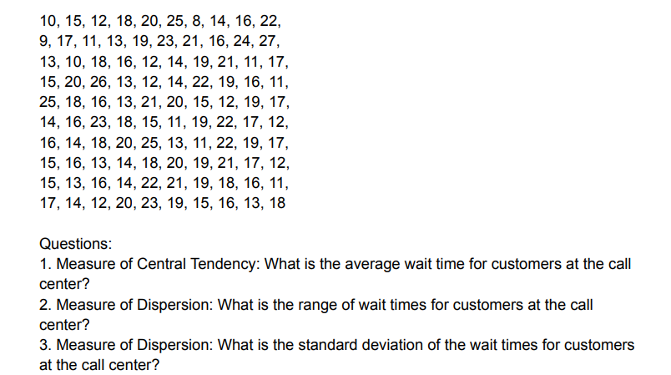
 |  |  |  |  |  |  |  | 20 | 19 | 12 | 12 | 21 | 15 | 25 | 18 | 22 | 23
 |  |  |  |  |  |  |  | 25 | 23 | 14 | 14 | 20 | 11 | 13 | 20 | 21 | 19
 |  |  |  |  |  |  |  | 8 | 21 | 19 | 22 | 15 | 19 | 11 | 19 | 19 | 15
 |  |  |  |  |  |  |  | 14 | 16 | 21 | 19 | 12 | 22 | 22 | 21 | 18 | 16
 |  |  |  |  |  |  |  | 16 | 24 | 11 | 16 | 19 | 17 | 19 | 17 | 16 | 13
 |  |  |  |  |  |  |  | 22 | 27 | 17 | 11 | 17 | 12 | 17 | 12 | 11 | 18

 |  |  |  |  |  |  |  |  | MAX | 27 |  |  | MEAN(average) | 16.74
 |  |  |  |  |  |  |  |  | MIN | 8 |  |  | RANGE | 19
 |  |  |  |  |  |  |  |  |  |  |  |  | STANDARD DEVIATION | 4.1429506881

 |  |  |  |  |  |  |  |  | QUE- 7

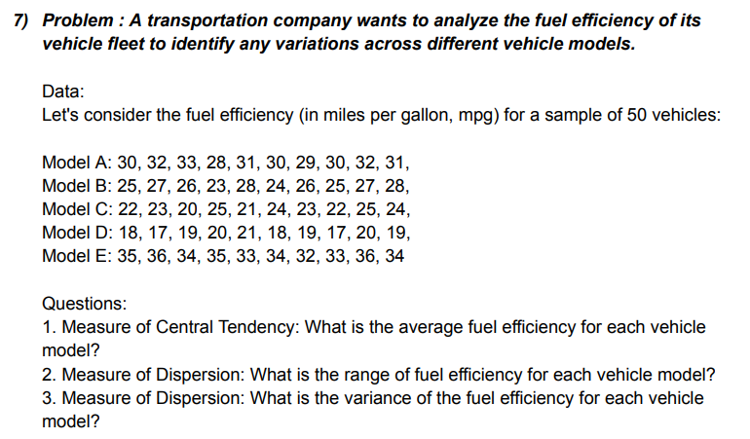

 |  |  |  |  |  |  |  |  | Model A | Model B | Model C | Model D | Model E
 |  |  |  |  |  |  |  |  | 30 | 25 | 22 | 18 | 35
 |  |  |  |  |  |  |  |  | 32 | 27 | 23 | 17 | 36
 |  |  |  |  |  |  |  |  | 33 | 26 | 20 | 19 | 34
 |  |  |  |  |  |  |  |  | 28 | 23 | 25 | 20 | 35
 |  |  |  |  |  |  |  |  | 31 | 28 | 21 | 21 | 33
 |  |  |  |  |  |  |  |  | 30 | 24 | 24 | 18 | 34
 |  |  |  |  |  |  |  |  | 29 | 26 | 23 | 19 | 32
 |  |  |  |  |  |  |  |  | 30 | 25 | 22 | 17 | 33
 |  |  |  |  |  |  |  |  | 32 | 27 | 25 | 20 | 36
 |  |  |  |  |  |  |  |  | 31 | 28 | 24 | 19 | 34

 |  |  |  |  |  |  |  |  | Model A

 |  |  |  |  |  |  |  |  | MAX | 33 |  |  | MEAN (average) | 30.6
 |  |  |  |  |  |  |  |  | MIN | 28 |  |  | RANGE | 5
 |  |  |  |  |  |  |  |  |  |  |  |  | VARIANCE | 2.2666666667
 |  |  |  |  |  |  |  |  | Model B
 |  |  |  |  |  |  |  |  | MAX | 28 |  |  | MEAN | 25.9
 |  |  |  |  |  |  |  |  | MIN | 23 |  |  | RANGE | 5
 |  |  |  |  |  |  |  |  |  |  |  |  | VARIANCE | 2.7666666667
 |  |  |  |  |  |  |  |  | Model C
 |  |  |  |  |  |  |  |  | MAX | 25 |  |  | MEAN | 22.9
 |  |  |  |  |  |  |  |  | MIN | 20 |  |  | RANGE | 5
 |  |  |  |  |  |  |  |  |  |  |  |  | VARIANCE | 2.7666666667
 |  |  |  |  |  |  |  |  | Model D
 |  |  |  |  |  |  |  |  | MAX | 21 |  |  | MEAN | 18.8
 |  |  |  |  |  |  |  |  | MIN | 17 |  |  | RANGE | 4
 |  |  |  |  |  |  |  |  |  |  |  |  | VARIANCE | 1.7333333333
 |  |  |  |  |  |  |  |  | Model E
 |  |  |  |  |  |  |  |  | MAX | 36 |  |  | MEAN | 34.2
 |  |  |  |  |  |  |  |  | MIN | 32 |  |  | RANGE | 4
 |  |  |  |  |  |  |  |  |  |  |  |  | VARIANCE | 1.7333333333

 |  |  |  |  |  |  |  |  | QUE- 8
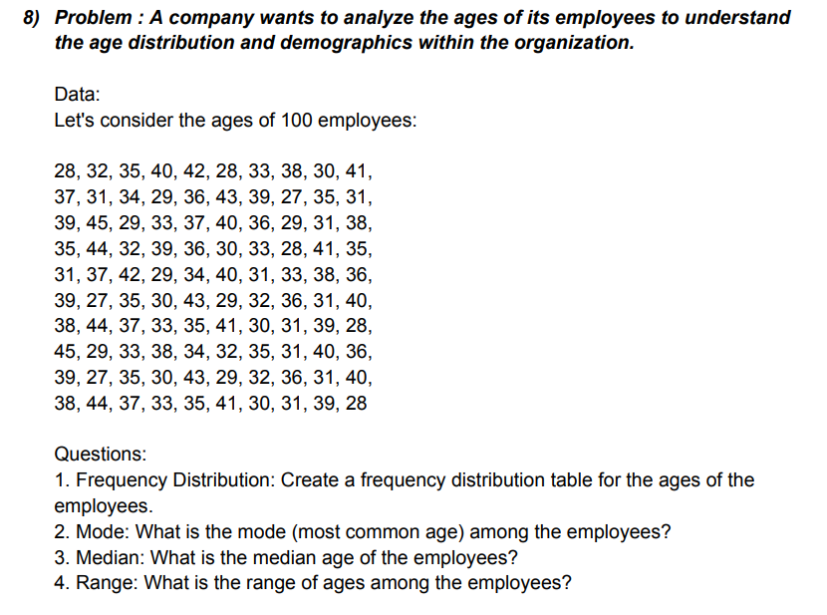

 |  |  |  |  |  |  |  |  | AGE OF EMPLOYEES(DATA)
 |  |  |  |  |  |  |  |  | 28 | 37 | 39 | 35 | 31 | 39 | 38 | 45 | 39 | 38
 |  |  |  |  |  |  |  |  | 32 | 31 | 45 | 44 | 37 | 27 | 44 | 29 | 27 | 44
 |  |  |  |  |  |  |  |  | 35 | 34 | 29 | 32 | 42 | 35 | 37 | 33 | 35 | 37
 |  |  |  |  |  |  |  |  | 40 | 29 | 33 | 39 | 29 | 30 | 33 | 38 | 30 | 33
 |  |  |  |  |  |  |  |  | 42 | 36 | 37 | 36 | 34 | 43 | 35 | 34 | 43 | 35
 |  |  |  |  |  |  |  |  | 28 | 43 | 40 | 30 | 40 | 29 | 41 | 32 | 29 | 41
 |  |  |  |  |  |  |  |  | 33 | 39 | 36 | 33 | 31 | 32 | 30 | 35 | 32 | 30
 |  |  |  |  |  |  |  |  | 38 | 27 | 29 | 28 | 33 | 36 | 31 | 31 | 36 | 31
 |  |  |  |  |  |  |  |  | 30 | 35 | 31 | 41 | 38 | 31 | 39 | 40 | 31 | 39
 |  |  |  |  |  |  |  |  | 41 | 31 | 38 | 35 | 36 | 40 | 28 | 36 | 40 | 28

 |  |  |  |  |  |  |  |  | MAX | 45 |  |  | MODE | 31
 |  |  |  |  |  |  |  |  | MIN | 27 |  |  | MEDIAN | 35
 |  |  |  |  |  |  |  |  |  |  |  |  | RANGE | 18

 |  |  |  |  |  |  |  |  | RANGE | BIN |  | RANGE | FREQUENCY
 |  |  |  |  |  |  |  |  | 26-30 | 30 |  | 26-30 | 21
 |  |  |  |  |  |  |  |  | 31-35 | 35 |  | 31-35 | 34
 |  |  |  |  |  |  |  |  | 36-40 | 40 |  | 36-40 | 31
 |  |  |  |  |  |  |  |  | 41-45 | 45 |  | 41-45 | 14

FREQUENCY

 |  |  |  | BIN | Frequency
 |  |  |  | 30 | 21
 |  |  |  | 35 | 34
 |  |  |  | 40 | 31
 |  |  |  | 45 | 14
 |  |  |  | More | 0

 |  |  |  |  |  |  |  |  | PURCHASE AMOUNT IN DOLLARS
 |  |  |  |  |  |  |  |  | 56 | 52 | 52 | 59 | 58
 |  |  |  |  |  |  |  |  | 40 | 44 | 63 | 45 | 62
 |  |  |  |  |  |  |  |  | 28 | 38 | 41 | 47 | 49 | MAX | 73
 |  |  |  |  |  |  |  |  | 73 | 60 | 48 | 51 | 59 | MIN | 28
 |  |  |  |  |  |  |  |  | 52 | 56 | 55 | 65 | 45
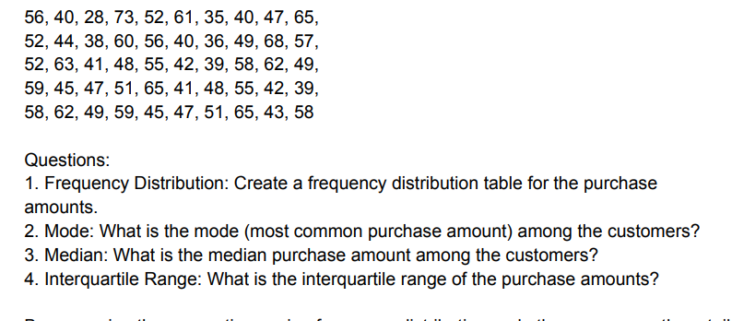
 |  |  |  |  |  |  |  |  | 61 | 40 | 42 | 41 | 47 | RANGE | 45
 |  |  |  |  |  |  |  |  | 35 | 36 | 39 | 48 | 51
 |  |  |  |  |  |  |  |  | 40 | 49 | 58 | 55 | 65
 |  |  |  |  |  |  |  |  | 47 | 68 | 62 | 42 | 43
 |  |  |  |  |  |  |  |  | 45 | 57 | 49 | 39 | 58

 |  |  |  |  |  |  |  |  | RANGE | BIN |  | BIN | Frequency |  | RANGE | FREQUENCY
 |  |  |  |  |  |  |  |  | 26-35 | 35 |  | 35 | 2 |  | 26-35 | 2
 |  |  |  |  |  |  |  |  | 36-45 | 45 |  | 45 | 16 |  | 36-45 | 16
 |  |  |  |  |  |  |  |  | 46-55 | 55 |  | 55 | 15 |  | 46-55 | 15
 |  |  |  |  |  |  |  |  | 56-65 | 65 |  | 65 | 15 |  | 56-65 | 15
 |  |  |  |  |  |  |  |  | 66-75 | 75 |  | 75 | 2 |  | 66-75 | 2
 |  |  |  |  |  |  |  |  |  |  |  | More | 0

 | MODE | 52
 | MEDIAN | 49

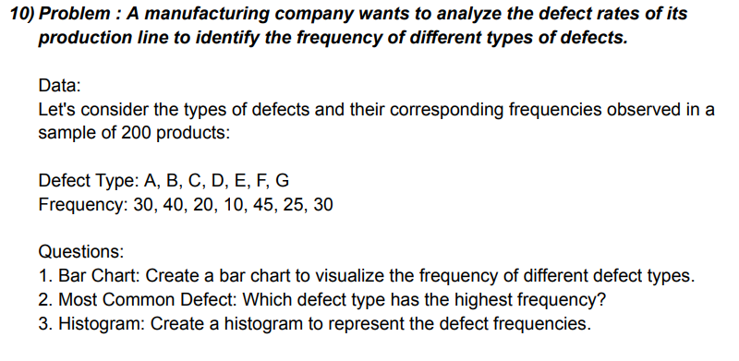
BAR CHART
 |  |  |  |  |  |  |  | DEFECT TYPE | FREQUENCY
 |  |  |  |  |  |  |  | A | 30
 |  |  |  |  |  |  |  | B | 40
 |  |  |  |  |  |  |  | C | 20
 |  |  |  |  |  |  |  | D | 10
 |  |  |  |  |  |  |  | E | 45
 |  |  |  |  |  |  |  | F | 25
 |  |  |  |  |  |  |  | G | 30

 |  |  |  |  |  |  |  | MODE | 30

 |  |  |  |  |  |  | Ratings
 |  |  |  |  |  |  | 4 | 5 | 4 | 3 | 3 | 5 | 3 | 3 | 5 | 3
 |  |  |  |  |  |  | 5 | 4 | 3 | 4 | 4 | 4 | 4 | 4 | 4 | 4
 |  |  |  |  |  |  | 3 | 2 | 2 | 5 | 5 | 3 | 5 | 5 | 3 | 5
 |  |  |  |  |  |  | 4 | 3 | 4 | 2 | 4 | 4 | 2 | 4 | 4 | 2
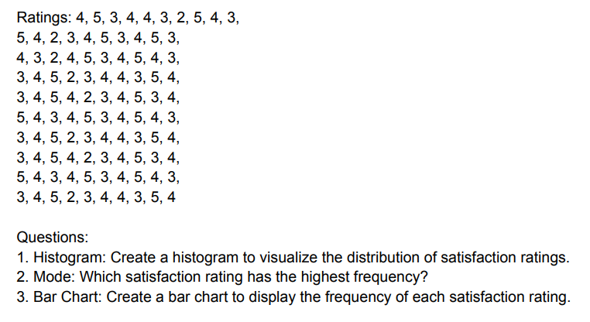
 |  |  |  |  |  |  | 4 | 4 | 5 | 3 | 2 | 5 | 3 | 2 | 5 | 3
 |  |  |  |  |  |  | 3 | 5 | 3 | 4 | 3 | 3 | 4 | 3 | 3 | 4
 |  |  |  |  |  |  | 2 | 3 | 4 | 4 | 4 | 4 | 4 | 4 | 4 | 4
 |  |  |  |  |  |  | 5 | 4 | 5 | 3 | 5 | 5 | 3 | 5 | 5 | 3
 |  |  |  |  |  |  | 4 | 5 | 4 | 5 | 3 | 4 | 5 | 3 | 4 | 5
 |  |  |  |  |  |  | 3 | 3 | 3 | 4 | 4 | 3 | 4 | 4 | 3 | 4

HISTOGRAM
 |  |  |  |  |  |  |  | Range | Bin |  | Bin | Frequency
 |  |  |  |  |  |  |  | 1 | 1 |  | 1 | 0
 |  |  |  |  |  |  |  | 2 | 2 |  | 2 | 8
 |  |  |  |  |  |  |  | 3 | 3 |  | 3 | 30
 |  |  |  |  |  |  |  | 4 | 4 |  | 4 | 39
 |  |  |  |  |  |  |  | 5 | 5 |  | 5 | 23
 |  |  |  |  |  |  |  |  |  |  | More | 0
 |  |  |  |  |  |  |  | MODE | 4

BAR CHART

 |  |  |  |  |  |  |  | MAX | 5
 |  |  |  |  |  |  |  | MIN | 2

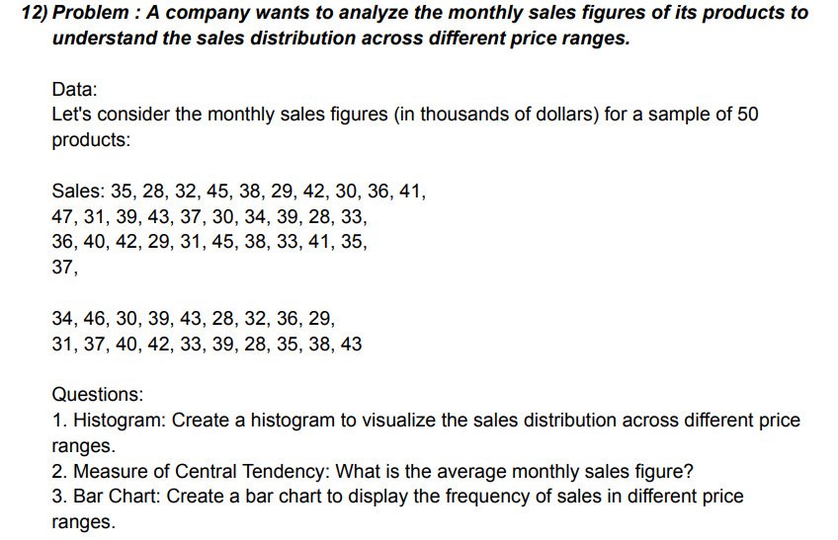

 |  |  |  |  |  |  |  | MONTHELY SALES
 |  |  |  |  |  |  |  | 35 | 47 | 36 | 37 | 31 | RANGE | BIN |  | BIN | Frequency
 |  |  |  |  |  |  |  | 28 | 31 | 40 | 34 | 37 | 26-29 | 29 |  | 29 | 7
 |  |  |  |  |  |  |  | 32 | 39 | 42 | 46 | 40 | 30-33 | 33 |  | 33 | 11
 |  |  |  |  |  |  |  | 45 | 43 | 29 | 30 | 42 | 34-37 | 37 |  | 37 | 11
 |  |  |  |  |  |  |  | 38 | 37 | 31 | 39 | 33 | 38-41 | 41 |  | 41 | 11
 |  |  |  |  |  |  |  | 29 | 30 | 45 | 43 | 39 | 42-45 | 45 |  | 45 | 8
 |  |  |  |  |  |  |  | 42 | 34 | 38 | 28 | 28 | 46-49 | 49 |  | 49 | 2
 |  |  |  |  |  |  |  | 30 | 39 | 33 | 32 | 35 |  |  |  | More | 0
 |  |  |  |  |  |  |  | 36 | 28 | 41 | 36 | 38
Histogram
 |  |  |  |  |  |  |  | 41 | 33 | 35 | 29 | 43

 |  |  |  |  |  |  |  | MAX | 47
 |  |  |  |  |  |  |  | MIN | 28

 |  |  |  |  |  |  |  | MEAN | 36.14
BAR CHART

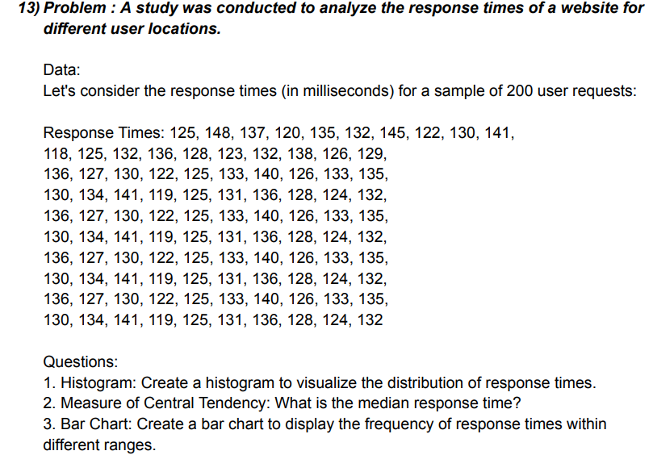
 |  |  |  |  |  |  |  | RESPONSE TIME (in millisecond)
 |  |  |  |  |  |  |  | 125 | 118 | 136 | 130 | 136 | 130 | 136 | 130 | 136 | 130
 |  |  |  |  |  |  |  | 148 | 125 | 127 | 134 | 127 | 134 | 127 | 134 | 127 | 134
 |  |  |  |  |  |  |  | 137 | 132 | 130 | 141 | 130 | 141 | 130 | 141 | 130 | 141
 |  |  |  |  |  |  |  | 120 | 136 | 122 | 119 | 122 | 119 | 122 | 119 | 122 | 119
 |  |  |  |  |  |  |  | 135 | 128 | 125 | 125 | 125 | 125 | 125 | 125 | 125 | 125
 |  |  |  |  |  |  |  | 132 | 123 | 133 | 131 | 133 | 131 | 133 | 131 | 133 | 131
 |  |  |  |  |  |  |  | 145 | 132 | 140 | 136 | 140 | 136 | 140 | 136 | 140 | 136
 |  |  |  |  |  |  |  | 122 | 138 | 126 | 128 | 126 | 128 | 126 | 128 | 126 | 128
 |  |  |  |  |  |  |  | 130 | 126 | 133 | 124 | 133 | 124 | 133 | 124 | 133 | 124
 |  |  |  |  |  |  |  | 141 | 129 | 135 | 132 | 135 | 132 | 135 | 132 | 135 | 132

 |  |  |  |  |  |  |  | MAX | 148 |  | RANGE | BIN |  | Bin | Frequency
 |  |  |  |  |  |  |  | MIN | 118 |  | 116-120 | 120 |  | 120 | 6
 |  |  |  |  |  |  |  |  |  |  | 121-125 | 125 |  | 125 | 20
 |  |  |  |  |  |  |  | MEDIAN | 130.5 |  | 126-130 | 130 |  | 130 | 24
 |  |  |  |  |  |  |  |  |  |  | 131-135 | 135 |  | 135 | 28
 |  |  |  |  |  |  |  |  |  |  | 136-140 | 140 |  | 140 | 15
 |  |  |  |  |  |  |  |  |  |  | 141-145 | 145 |  | 145 | 6
 |  |  |  |  |  |  |  |  |  |  | 146-150 | 150 |  | 150 | 1
 |  |  |  |  |  |  |  |  |  |  |  |  |  | More | 0
BAR CHART
Histogram

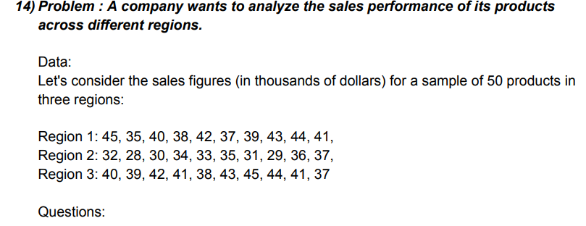
 |  |  |  |  |  |  |  | SALES FIGURE (dollars)
 |  |  |  |  |  |  |  | REGION 1 | REGION 2 | REGION 3 |  | RANGE | BIN | Bin | Frequency
 |  |  |  |  |  |  |  | 45 | 32 | 40 |  | 26-30 | 30 | 30 | 3
 |  |  |  |  |  |  |  | 35 | 28 | 39 |  | 31-35 | 35 | 35 | 6
 |  |  |  |  |  |  |  | 40 | 30 | 42 |  | 36-40 | 40 | 40 | 10
 |  |  |  |  |  |  |  | 38 | 34 | 41 |  | 41-45 | 45 | 45 | 11
 |  |  |  |  |  |  |  | 42 | 33 | 38 |  |  |  | More | 0
 |  |  |  |  |  |  |  | 37 | 35 | 43
 |  |  |  |  |  |  |  | 39 | 31 | 45 |  | RANGE | Frequency
 |  |  |  |  |  |  |  | 43 | 29 | 44 |  | 26-30 | 3
 |  |  |  |  |  |  |  | 44 | 36 | 41 |  | 31-35 | 6
 |  |  |  |  |  |  |  | 41 | 37 | 37 |  | 36-40 | 10
 |  |  |  |  |  |  |  |  |  |  |  | 41-45 | 11

BAR CHART
 |  |  |  |  |  |  |  | MAX | 45 |  |  | MEAN | 37.966666667
 |  |  |  |  |  |  |  | MIN | 28

 |  |  |  |  |  |  |  |  | REGION 1 | RIGION 2 | RIGION 3
 |  |  |  |  |  |  |  | MAX | 45 | 37 | 45
 |  |  |  |  |  |  |  | MIN | 35 | 28 | 37

 |  |  |  |  |  | Questions on Percentile and Quartiles

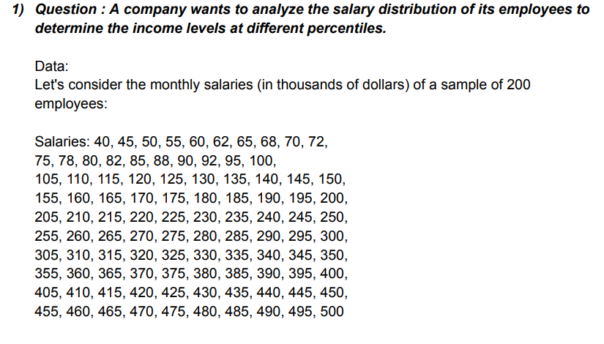
 |  |  |  |  |  |  |  | sample of 200 employees salaries

 |  |  |  |  |  |  |  | 40 | 45 | 50 | 55 | 60 | 62 | 65 | 68 | 70 | 72
 |  |  |  |  |  |  |  | 92 | 75 | 78 | 80 | 82 | 85 | 88 | 90 | 95 | 100
 |  |  |  |  |  |  |  | 105 | 110 | 115 | 120 | 125 | 130 | 135 | 140 | 145 | 150
 |  |  |  |  |  |  |  | 155 | 160 | 165 | 170 | 175 | 180 | 185 | 190 | 195 | 200
 |  |  |  |  |  |  |  | 205 | 210 | 215 | 220 | 225 | 230 | 235 | 240 | 245 | 250
 |  |  |  |  |  |  |  | 255 | 260 | 265 | 270 | 275 | 280 | 285 | 290 | 295 | 300
 |  |  |  |  |  |  |  | 305 | 310 | 315 | 320 | 325 | 330 | 335 | 340 | 345 | 350
 |  |  |  |  |  |  |  | 355 | 360 | 365 | 370 | 375 | 380 | 385 | 390 | 395 | 400
 |  |  |  |  |  |  |  | 405 | 410 | 415 | 420 | 425 | 430 | 435 | 440 | 445 | 450
 |  |  |  |  |  |  |  | 455 | 460 | 465 | 470 | 475 | 480 | 485 | 490 | 495 | 500

 |  |  |  |  |  |  |  | Percentile | Quartile | Interpretation
 |  |  |  |  |  |  |  | 74.7 | 128.75 | we are consider the monthely salaries (in dollars) sample of 200 employees lowest 10th percentile salary 74.5 dollar and 90th percentile salary 450.5 dollare. Calculeted firse quartile (Q1) 128.75 and third quaritle (Q3) 376.25 dollare.
 |  |  |  |  |  |  |  | 128.75 | 252.5
 |  |  |  |  |  |  |  | 376.25 | 376.25
 |  |  |  |  |  |  |  | 450.5

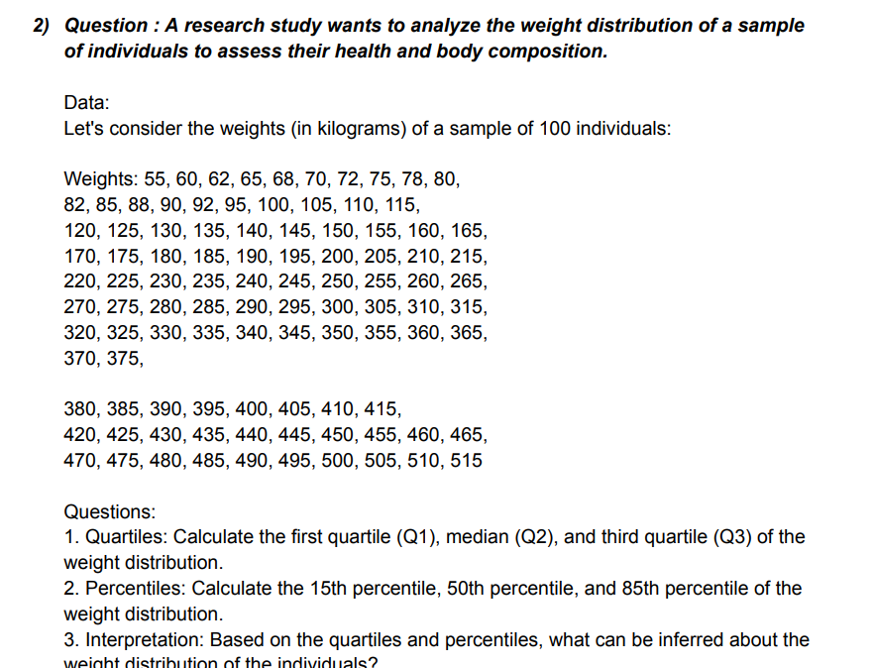
 |  |  |  |  |  |  |  |  | Weights(in kilogram)
 |  |  |  |  |  |  |  | 55 | 60 | 62 | 65 | 68 | 70 | 72 | 75 | 78 | 80
 |  |  |  |  |  |  |  | 82 | 85 | 88 | 90 | 92 | 95 | 100 | 105 | 110 | 115
 |  |  |  |  |  |  |  | 120 | 125 | 130 | 135 | 140 | 145 | 150 | 155 | 160 | 165
 |  |  |  |  |  |  |  | 170 | 175 | 180 | 185 | 190 | 195 | 200 | 205 | 210 | 215
 |  |  |  |  |  |  |  | 220 | 225 | 230 | 235 | 240 | 245 | 250 | 255 | 260 | 265
 |  |  |  |  |  |  |  | 270 | 275 | 280 | 285 | 290 | 295 | 300 | 305 | 310 | 315
 |  |  |  |  |  |  |  | 320 | 325 | 330 | 335 | 340 | 345 | 350 | 355 | 360 | 365
 |  |  |  |  |  |  |  | 370 | 375 | 380 | 385 | 390 | 400 | 405 | 410 | 415 | 420
 |  |  |  |  |  |  |  | 425 | 430 | 435 | 440 | 445 | 450 | 455 | 460 | 465 | 470
 |  |  |  |  |  |  |  | 475 | 480 | 485 | 490 | 495 | 500 | 505 | 510 | 515 | 395

 |  |  |  |  |  |  |  | Quartile | Percentile | Interpretation
 |  |  |  |  |  |  |  | 143.75 | 94.55 | We are consider the weights ( IN KILOGRAMS) sample of 100 individuals lowest firs quartile (Q1) 143.75 and third quartile(Q3)391.25 weights and calculated 15th pecentile weights 94.55 and 85th percentile weight 440.75 in kilograms.
 |  |  |  |  |  |  |  | 267.5 | 267.5
 |  |  |  |  |  |  |  | 391.25 | 440.75

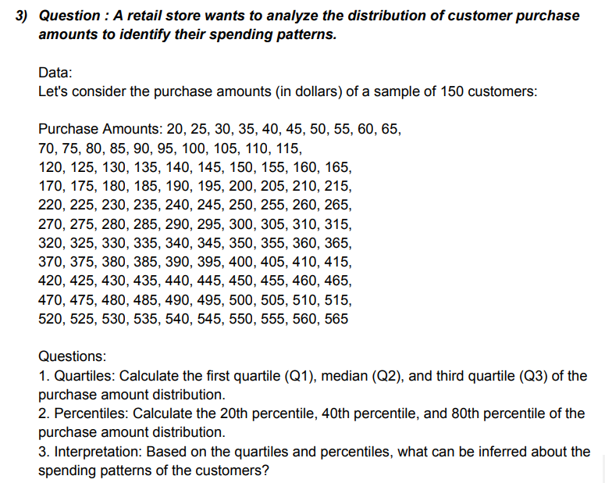
 |  |  |  |  |  |  |  | Purchase Amount (in dollars)
 |  |  |  |  |  |  |  | 20 | 25 | 30 | 35 | 40 | 45 | 50 | 55 | 60 | 65
 |  |  |  |  |  |  |  | 70 | 75 | 80 | 85 | 90 | 95 | 100 | 105 | 110 | 115
 |  |  |  |  |  |  |  | 120 | 125 | 130 | 135 | 140 | 145 | 150 | 155 | 160 | 165
 |  |  |  |  |  |  |  | 170 | 175 | 180 | 185 | 190 | 195 | 200 | 205 | 210 | 215
 |  |  |  |  |  |  |  | 220 | 225 | 230 | 235 | 240 | 245 | 250 | 255 | 260 | 265
 |  |  |  |  |  |  |  | 270 | 275 | 280 | 285 | 290 | 295 | 300 | 305 | 310 | 315
 |  |  |  |  |  |  |  | 320 | 325 | 330 | 335 | 340 | 345 | 350 | 355 | 360 | 365
 |  |  |  |  |  |  |  | 370 | 375 | 380 | 385 | 390 | 395 | 400 | 405 | 410 | 415
 |  |  |  |  |  |  |  | 420 | 425 | 430 | 435 | 440 | 445 | 450 | 455 | 460 | 465
 |  |  |  |  |  |  |  | 470 | 475 | 480 | 485 | 490 | 495 | 500 | 505 | 510 | 515
 |  |  |  |  |  |  |  | 520 | 525 | 530 | 535 | 540 | 545 | 550 | 555 | 560 | 565

 |  |  |  |  |  |  |  | Quartile | Percentile | Interpretation
 |  |  |  |  |  |  |  | 156.25 | 129 | This data of customers purchase amounts( in dollres). In this data first quartile(Q1) 156.25 dollar and third quartile (Q3) 428.75. percentiles of 20th 129 dollars and 80th percentiles 456 dollars.
 |  |  |  |  |  |  |  | 292.5 | 238
 |  |  |  |  |  |  |  | 428.75 | 456

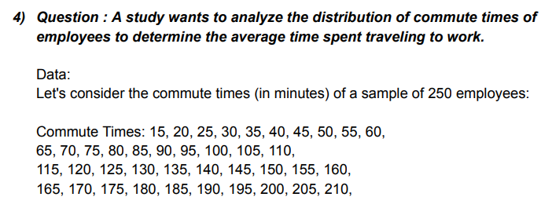
 |  |  |  |  |  |  |  | Comment times ( in minutes)
 |  |  |  |  |  |  |  | 15 | 20 | 25 | 30 | 35 | 40 | 45 | 50 | 55 | 60
 |  |  |  |  |  |  |  | 65 | 70 | 75 | 80 | 85 | 90 | 95 | 100 | 105 | 110
 |  |  |  |  |  |  |  | 115 | 120 | 125 | 130 | 135 | 140 | 145 | 150 | 155 | 160
 |  |  |  |  |  |  |  | 165 | 170 | 175 | 180 | 185 | 190 | 195 | 200 | 205 | 210
 |  |  |  |  |  |  |  | 215 | 220 | 225 | 230 | 235 | 240 | 245 | 250 | 255 | 260
 |  |  |  |  |  |  |  | 265 | 270 | 275 | 280 | 285 | 290 | 295 | 300 | 305 | 310
 |  |  |  |  |  |  |  | 315 | 320 | 325 | 330 | 335 | 340 | 345 | 350 | 355 | 360
 |  |  |  |  |  |  |  | 365 | 370 | 375 | 380 | 385 | 390 | 395 | 400 | 405 | 410
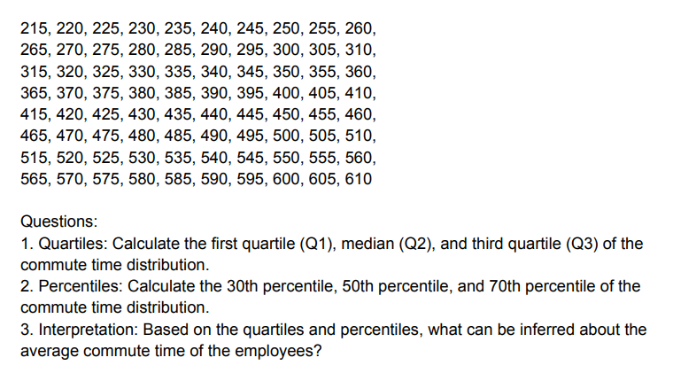
 |  |  |  |  |  |  |  | 415 | 420 | 425 | 430 | 435 | 440 | 445 | 450 | 455 | 460
 |  |  |  |  |  |  |  | 465 | 470 | 475 | 480 | 485 | 490 | 495 | 500 | 505 | 510
 |  |  |  |  |  |  |  | 515 | 520 | 525 | 530 | 535 | 540 | 545 | 550 | 555 | 560
 |  |  |  |  |  |  |  | 565 | 570 | 575 | 580 | 585 | 590 | 595 | 600 | 605 | 610

 |  |  |  |  |  |  |  | Quartiles | Percentile | Interpretation
 |  |  |  |  |  |  |  | 163.75 | 193.5 | This data ofcommute times employees highest timespent in traveling 431.5in minites and lowest time spent I n traveling 193.5 in minites. And we are lookup hig hest commute times 461.25 minites and lowest commute times 163.75 in minites.
 |  |  |  |  |  |  |  | 312.5 | 312.5
 |  |  |  |  |  |  |  | 461.25 | 431.5

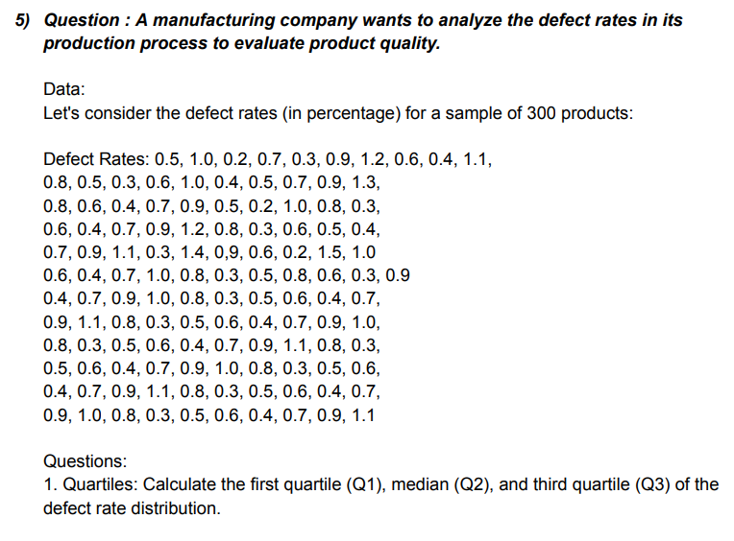
 |  |  |  |  |  |  |  | Defect rates ( in percentage)
 |  |  |  |  |  |  |  | 0.5 | 1 | 0.2 | 0.7 | 0.3 | 0.9 | 1.2 | 0.6 | 0.4 | 1.1
 |  |  |  |  |  |  |  | 0.8 | 0.5 | 0.3 | 0.6 | 1 | 0.4 | 0.5 | 0.7 | 0.9 | 1.3
 |  |  |  |  |  |  |  | 0.8 | 0.6 | 0.4 | 0.7 | 0.9 | 0.5 | 0.2 | 1 | 0.8 | 0.3
 |  |  |  |  |  |  |  | 0.6 | 0.4 | 0.7 | 0.9 | 1.2 | 0.8 | 0.3 | 0.6 | 0.5 | 0.4
 |  |  |  |  |  |  |  | 0.7 | 0.9 | 1.1 | 0.3 | 1.4 | 0.9 | 0.6 | 0.2 | 1.5 | 1
 |  |  |  |  |  |  |  | 0.6 | 0.4 | 0.7 | 1 | 0.8 | 0.3 | 0.5 | 0.8 | 0.6 | 0.3
 |  |  |  |  |  |  |  | 0.9 | 0.4 | 0.7 | 0.9 | 1 | 0.8 | 0.3 | 0.5 | 0.6 | 0.4
 |  |  |  |  |  |  |  | 0.7 | 0.9 | 1.1 | 0.8 | 0.3 | 0.5 | 0.6 | 0.4 | 0.7 | 0.9
 |  |  |  |  |  |  |  | 1 | 0.8 | 0.3 | 0.5 | 0.6 | 0.4 | 0.7 | 0.9 | 1.1 | 0.8
 |  |  |  |  |  |  |  | 0.3 | 0.5 | 0.6 | 0.4 | 0.7 | 0.9 | 1 | 0.8 | 0.3 | 0.5
 |  |  |  |  |  |  |  | 0.6 | 0.4 | 0.7 | 0.9 | 1.1 | 0.8 | 0.3 | 0.5 | 0.6 | 0.4
 |  |  |  |  |  |  |  | 0.7 | 0.9 | 1 | 0.8 | 0.3 | 0.5 | 0.6 | 0.4 | 0.7 | 0.9
 |  |  |  |  |  |  |  | 1.1

 |  |  |  |  |  |  |  | Quartiles | Percentiles | Interpretation
 |  |  |  |  |  |  |  | 0.4 | 0.4 | In This Data lat's We are Considering a Defect Rate in (%) of 300 products, Higest Defect Rate is 0.9 Percentile and the Lowest Defect Rate is 0.4 Percentile, and we are Look At Quartiles the Higest Quartile Defect Rate is 0.9 and the Lowest Quartile Defect Rate 0.4.
 |  |  |  |  |  |  |  | 0.7 | 0.7
 |  |  |  |  |  |  |  | 0.9 | 0.9

 |  |  |  |  |  | Question on measure of skevwness and kurtosis

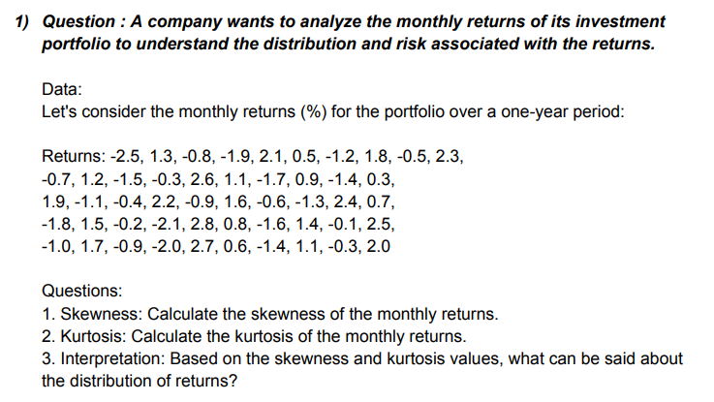
 |  |  |  |  |  |  |  | Monthly Returns
 |  |  |  |  |  |  |  | -2.5 | 1.3 | -0.8 | -1.9 | 2.1 | 0.5 | -1.2 | 1.8 | -0.5 | 2.3
 |  |  |  |  |  |  |  | -0.7 | 1.2 | -1.5 | -0.3 | 2.6 | 1.1 | -1.7 | 0.9 | -1.4 | 0.3
 |  |  |  |  |  |  |  | 1.9 | -1.1 | -0.4 | 2.2 | -0.9 | 1.6 | -0.6 | -1.3 | 2.4 | 0.7
 |  |  |  |  |  |  |  | -1.8 | 1.5 | -0.2 | -2.1 | 2.8 | 0.8 | -1.6 | 1.4 | -0.1 | 2.5
 |  |  |  |  |  |  |  | -1 | 1.7 | -0.9 | -2 | 2.7 | 0.6 | -1.4 | 1.1 | -0.3 | 2

 |  |  |  |  |  |  |  |  | Skewness | 0.052895806035
 |  |  |  |  |  |  |  |  | Kurtosis | -1.3042496426
 |  |  |  |  |  |  |  |  | Interpretation | That is data points are positive skewness. That is means maxximum data is on left side and tails is right side. That is distrubition with kurtosis >3 is platy curtive curve . that means data is on flatness.

 |  |  |  |  |  |  |  | Incomes
 |  |  |  |  |  |  |  | 2.5 | 2.8 | 2.2 | 3.1 | 2.8 | 2.2 | 3.1 | 2.8 | 2.2 | 3.1
 |  |  |  |  |  |  |  | 4.8 | 4.1 | 3.6 | 2.9 | 4.1 | 3.6 | 2.9 | 4.1 | 3.6 | 2.9
 |  |  |  |  |  |  |  | 3.2 | 2.6 | 4 | 4.6 | 2.6 | 4 | 4.6 | 2.6 | 4 | 4.6
 |  |  |  |  |  |  |  | 2.1 | 2.4 | 2.7 | 3.3 | 2.4 | 2.7 | 3.3 | 2.4 | 2.7 | 3.3
 |  |  |  |  |  |  |  | 4.5 | 4.7 | 3.8 | 2.5 | 4.7 | 3.8 | 2.5 | 4.7 | 3.8 | 2.5
 |  |  |  |  |  |  |  | 2.9 | 3.3 | 3.5 | 4.9 | 3.3 | 3.5 | 4.9 | 3.3 | 3.5 | 4.9
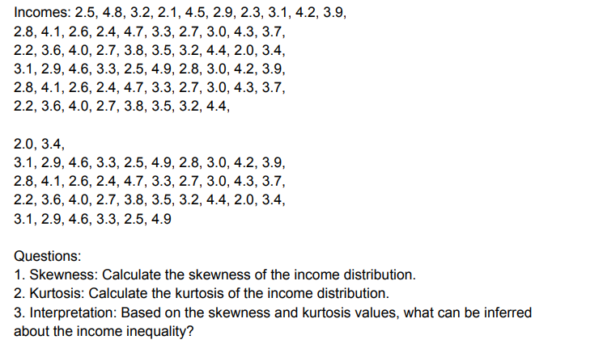
 |  |  |  |  |  |  |  | 2.3 | 2.7 | 3.2 | 2.8 | 2.7 | 3.2 | 2.8 | 2.7 | 3.2 | 2.8
 |  |  |  |  |  |  |  | 3.1 | 3 | 4.4 | 3 | 3 | 4.4 | 3 | 3 | 4.4 | 3
 |  |  |  |  |  |  |  | 4.2 | 4.3 | 2 | 4.2 | 4.3 | 2 | 4.2 | 4.3 | 2 | 4.2
 |  |  |  |  |  |  |  | 3.9 | 3.7 | 3.4 | 3.9 | 3.7 | 3.4 | 3.9 | 3.7 | 3.4 | 3.9

 |  |  |  |  |  |  |  |  | Skewness | 0.2118498302
 |  |  |  |  |  |  |  |  | Kurtosis | -0.93181587744
 |  |  |  |  |  |  |  |  | interpretation | That is data points are positive skewness. That is means maxximum data is on left side and tails is right side. That is distrubition with kurtosis >3 is platy curtive curve . that means data is on flatness.

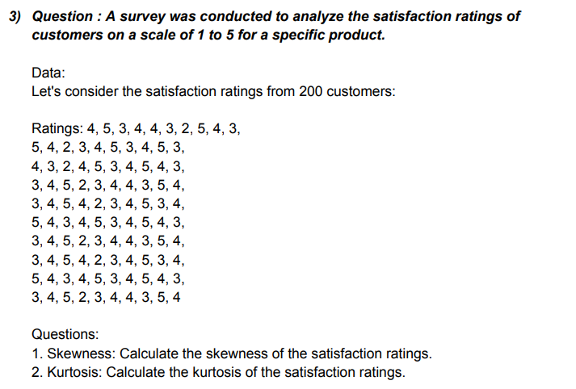
 |  |  |  |  |  |  |  | Ratings
 |  |  |  |  |  |  |  | 4 | 5 | 4 | 4 | 3 | 5 | 3 | 3 | 5 | 3
 |  |  |  |  |  |  |  | 5 | 4 | 3 | 5 | 4 | 4 | 4 | 4 | 4 | 4
 |  |  |  |  |  |  |  | 3 | 2 | 2 | 3 | 5 | 3 | 5 | 5 | 2 | 5
 |  |  |  |  |  |  |  | 4 | 3 | 4 | 4 | 4 | 4 | 2 | 4 | 3 | 2
 |  |  |  |  |  |  |  | 4 | 4 | 5 | 4 | 2 | 5 | 3 | 2 | 4 | 3
 |  |  |  |  |  |  |  | 3 | 5 | 3 | 3 | 3 | 3 | 4 | 3 | 5 | 4
 |  |  |  |  |  |  |  | 2 | 3 | 4 | 2 | 4 | 4 | 4 | 4 | 3 | 4
 |  |  |  |  |  |  |  | 5 | 4 | 5 | 5 | 5 | 5 | 3 | 5 | 4 | 3
 |  |  |  |  |  |  |  | 4 | 5 | 4 | 4 | 3 | 4 | 5 | 3 | 5 | 5
 |  |  |  |  |  |  |  | 3 | 3 | 3 | 3 | 4 | 3 | 4 | 4 | 3 | 4

 |  |  |  |  |  |  |  |  | Skvweness | -0.20425049644
 |  |  |  |  |  |  |  |  | Kurtosis | -0.78581154954

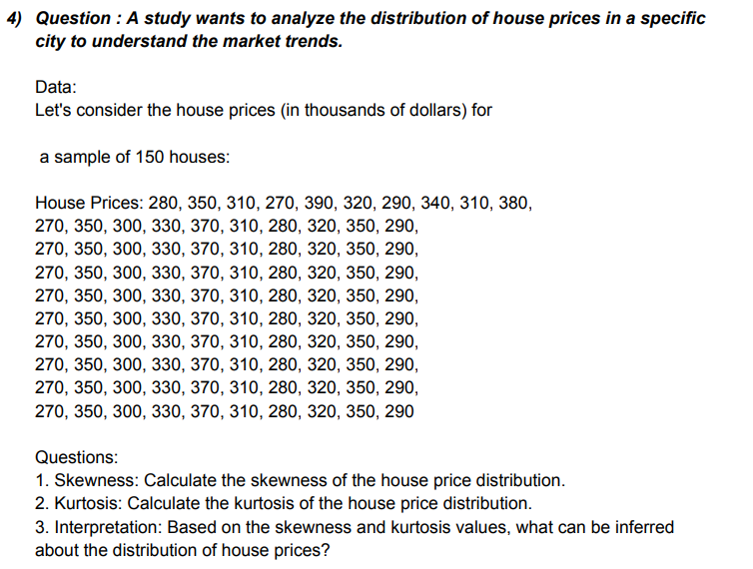
 |  |  |  |  |  |  |  | House Price
 |  |  |  |  |  |  |  | 280 | 350 | 310 | 270 | 390 | 320 | 290 | 340 | 310 | 380
 |  |  |  |  |  |  |  | 370 | 350 | 300 | 330 | 370 | 310 | 280 | 320 | 350 | 290
 |  |  |  |  |  |  |  | 370 | 350 | 300 | 330 | 370 | 310 | 280 | 320 | 350 | 290
 |  |  |  |  |  |  |  | 370 | 350 | 300 | 330 | 370 | 310 | 280 | 320 | 350 | 290
 |  |  |  |  |  |  |  | 370 | 350 | 300 | 330 | 370 | 310 | 280 | 320 | 350 | 290
 |  |  |  |  |  |  |  | 370 | 350 | 300 | 330 | 370 | 310 | 280 | 320 | 350 | 290
 |  |  |  |  |  |  |  | 370 | 350 | 300 | 330 | 370 | 310 | 280 | 320 | 350 | 290
 |  |  |  |  |  |  |  | 370 | 350 | 300 | 330 | 370 | 310 | 280 | 320 | 350 | 290
 |  |  |  |  |  |  |  | 370 | 350 | 300 | 330 | 370 | 310 | 280 | 320 | 350 | 290
 |  |  |  |  |  |  |  | 370 | 350 | 300 | 330 | 370 | 310 | 280 | 320 | 350 | 290

 |  |  |  |  |  |  |  |  | Skvweness | 0.060035617684
 |  |  |  |  |  |  |  |  | Kurtosis | -1.2430137948
 |  |  |  |  |  |  |  |  | Interpretation | Maxximum data point is on left side and tails is right side. That is positive skvweness. That is distrubition with kurtosis >3 is platy curtive curve . that means data is on flatness.

 |  |  |  |  |  |  |  | Waiting Times
 |  |  |  |  |  |  |  | 12 | 22 | 14 | 12 | 22 | 14 | 12 | 22 | 14 | 12
 |  |  |  |  |  |  |  | 18 | 19 | 20 | 18 | 19 | 20 | 18 | 19 | 20 | 18
 |  |  |  |  |  |  |  | 15 | 13 | 19 | 15 | 13 | 19 | 15 | 13 | 19 | 15
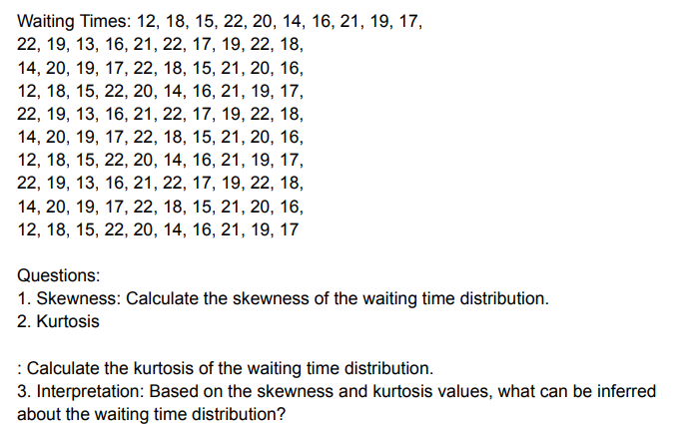
 |  |  |  |  |  |  |  | 22 | 16 | 17 | 22 | 16 | 17 | 22 | 16 | 17 | 22
 |  |  |  |  |  |  |  | 20 | 21 | 22 | 20 | 21 | 22 | 20 | 21 | 22 | 20
 |  |  |  |  |  |  |  | 14 | 22 | 18 | 14 | 22 | 18 | 14 | 22 | 18 | 14
 |  |  |  |  |  |  |  | 16 | 17 | 15 | 16 | 17 | 15 | 16 | 17 | 15 | 16
 |  |  |  |  |  |  |  | 21 | 19 | 21 | 21 | 19 | 21 | 21 | 19 | 21 | 21
 |  |  |  |  |  |  |  | 19 | 22 | 20 | 19 | 22 | 20 | 19 | 22 | 20 | 19
 |  |  |  |  |  |  |  | 17 | 18 | 16 | 17 | 18 | 16 | 17 | 18 | 16 | 17

 |  |  |  |  |  |  |  |  | Skvweness | -0.32996659307
 |  |  |  |  |  |  |  |  | Kurtosis | -0.88101144669
 |  |  |  |  |  |  |  |  | Intrepatation | That is data points are nagitive skewness. That is means maxximum data is on right side and tails is left side. That is distrubition with kurtosis >3 is platy curtive curve . that means data is on flatness.

 |  |  |  |  |  | Questions on corelation and covariance

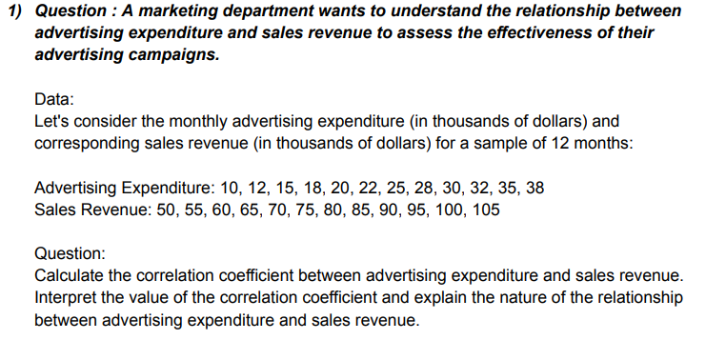
 |  |  |  |  |  |  |  |  | Adver. Expenditure | Sales Revenue
 |  |  |  |  |  |  |  |  | 10 | 50
 |  |  |  |  |  |  |  |  | 12 | 55
 |  |  |  |  |  |  |  |  | 15 | 60 |  | Correaltion | 0.99921031004
 |  |  |  |  |  |  |  |  | 18 | 65 |  | Covarience | 150.20833333
 |  |  |  |  |  |  |  |  | 20 | 70
 |  |  |  |  |  |  |  |  | 22 | 75 |  |  | Correalation
 |  |  |  |  |  |  |  |  | 25 | 80 |  |  | Adver. Expenditure | Sales Revenue
 |  |  |  |  |  |  |  |  | 28 | 85 |  | Adver. Expenditure | 1
 |  |  |  |  |  |  |  |  | 30 | 90 |  | Sales Revenue | 0.99921031004 | 1
 |  |  |  |  |  |  |  |  | 32 | 95
 |  |  |  |  |  |  |  |  | 35 | 100 |  |  | Covariance
 |  |  |  |  |  |  |  |  | 38 | 105 |  |  | Adver. Expenditure | Sales Revenue
 |  |  |  |  |  |  |  |  |  |  |  | Adver. Expenditure | 75.854166667
 |  |  |  |  |  |  |  |  |  |  |  | Sales Revenue | 150.20833333 | 297.91666667


 |  |  |  |  |  |  |  |  | Company A | Company B
 |  |  |  |  |  |  |  |  | 45 | 52
 |  |  |  |  |  |  |  |  | 47 | 54
 |  |  |  |  |  |  |  |  | 48 | 55 |  |  | Corealation
 |  |  |  |  |  |  |  |  | 50 | 57 |  |  | Company A | Company B
 |  |  |  |  |  |  |  |  | 52 | 59 |  | Company A | 1
 |  |  |  |  |  |  |  |  | 53 | 60 |  | Company B | 0.998595727 | 1
 |  |  |  |  |  |  |  |  | 55 | 61
 |  |  |  |  |  |  |  |  | 56 | 62
 |  |  |  |  |  |  |  |  | 58 | 64 |  |  | Covarrience
 |  |  |  |  |  |  |  |  | 60 | 66 |  |  | Company A | Company B
 |  |  |  |  |  |  |  |  | 62 | 67 |  | Company A | 96.8
 |  |  |  |  |  |  |  |  | 64 | 69 |  | Company B | 92.65 | 88.9275
 |  |  |  |  |  |  |  |  | 65 | 71
 |  |  |  |  |  |  |  |  | 67 | 73
 |  |  |  |  |  |  |  |  | 69 | 74
 |  |  |  |  |  |  |  |  | 70 | 76
 |  |  |  |  |  |  |  |  | 72 | 78
 |  |  |  |  |  |  |  |  | 74 | 80
 |  |  |  |  |  |  |  |  | 76 | 82
 |  |  |  |  |  |  |  |  | 77 | 83

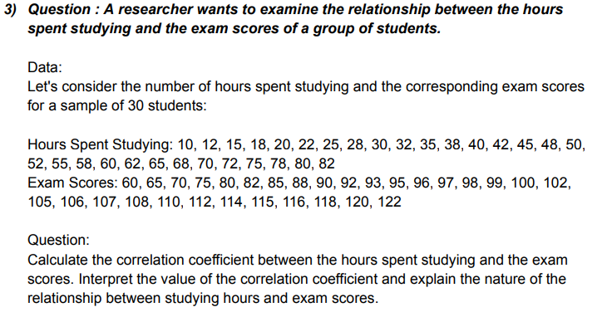
 |  |  |  |  |  |  |  |  | Hours Spent studying | Exam score
 |  |  |  |  |  |  |  |  | 10 | 60
 |  |  |  |  |  |  |  |  | 12 | 65
 |  |  |  |  |  |  |  |  | 15 | 70
 |  |  |  |  |  |  |  |  | 18 | 75
 |  |  |  |  |  |  |  |  | 20 | 80 |  |  | Corealtion
 |  |  |  |  |  |  |  |  | 22 | 82 |  |  | Hours Spent studying | Exam score
 |  |  |  |  |  |  |  |  | 25 | 85 |  | Hours Spent studying | 1
 |  |  |  |  |  |  |  |  | 28 | 88 |  | Exam score | 0.97729508302 | 1
 |  |  |  |  |  |  |  |  | 30 | 90
 |  |  |  |  |  |  |  |  | 32 | 92
 |  |  |  |  |  |  |  |  | 35 | 93 |  |  | Covarience
 |  |  |  |  |  |  |  |  | 38 | 95 |  |  | Hours Spent studying | Exam score
 |  |  |  |  |  |  |  |  | 40 | 96 |  | Hours Spent studying | 468.31222222
 |  |  |  |  |  |  |  |  | 42 | 97 |  | Exam score | 341.12222222 | 260.15555556
 |  |  |  |  |  |  |  |  | 45 | 98
 |  |  |  |  |  |  |  |  | 48 | 99
 |  |  |  |  |  |  |  |  | 50 | 100
 |  |  |  |  |  |  |  |  | 52 | 102
 |  |  |  |  |  |  |  |  | 55 | 105
 |  |  |  |  |  |  |  |  | 58 | 106
 |  |  |  |  |  |  |  |  | 60 | 107
 |  |  |  |  |  |  |  |  | 62 | 108
 |  |  |  |  |  |  |  |  | 65 | 110
 |  |  |  |  |  |  |  |  | 68 | 112
 |  |  |  |  |  |  |  |  | 70 | 114
 |  |  |  |  |  |  |  |  | 72 | 115
 |  |  |  |  |  |  |  |  | 75 | 116
 |  |  |  |  |  |  |  |  | 78 | 118
 |  |  |  |  |  |  |  |  | 80 | 120
 |  |  |  |  |  |  |  |  | 82 | 122

